HelpfulDocumentation
https://python.langchain.com/docs/modules/data_connection/
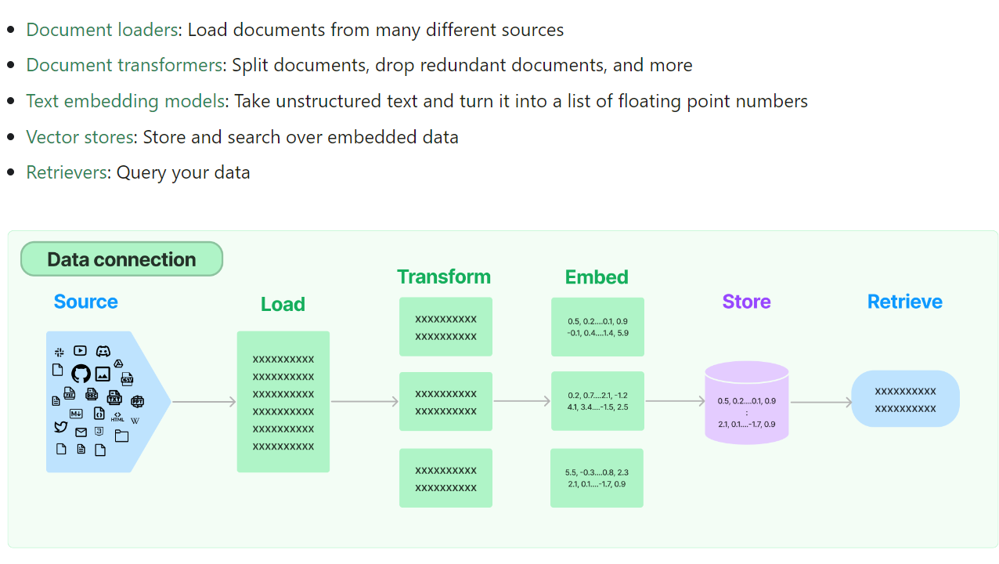

RetrievalQA works with both the vectorstores and the chain
- Keep text input to no more than 10-15 lines to control how many tokens being sent to LLM. -> should be vetted further.
"Agents" are a way to control what data is called when given prompt

